Mindmap
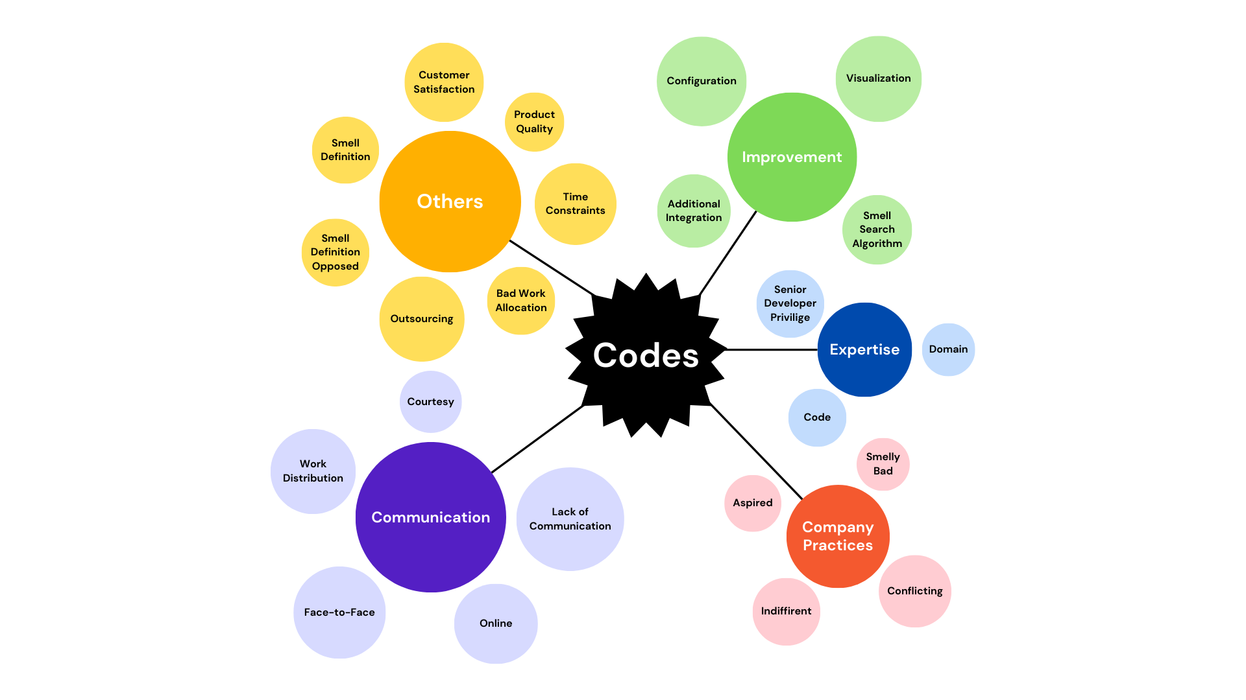

RQ5'i summarize ediyor gibi
Kodlar yerine reason for diverging from best practices sebepleri
Ortada başlık
Yanlarda tek tek sebepler

Mindmapteki nodelar tek kelime olmasın
Biraz daha açıklayıcı yapalım. Yanlarda kısa açıklamalar
Outsorcing belki company practices'e alınabilir
Her bir kategorinin tek cümle ile açıklanması gerekiyor

Bazı kategorileri ona göre eleyelim.(Smell Definition)

Smell definition opposed tek büyük bir node olabilir

